Introduction
Introduction
The WA Tree Recovery Grant Program (Grant Program) provides funding to local governments to replace trees due to impacts by the polyphagous shot-hole borer (PSHB). The Grant Program supports the planting of trees that enhance Perth's native biodiversity, contribute to overall tree canopy cover, and help reduce the risk of further PSHB spread within Western Australia.
Delivered by the Department of Water and Environmental Regulation (the department), the Grant Program provides funding to support replacement planting projects that start after the grant is accepted and are completed by 31 August 2028.
Applications are being invited for round two of the Grant Program. Different application spreadsheets will be provided for Stream 1 and Stream 2 funding. Funding spreadsheets for Stream 1 and Stream 2 can both include multiple projects and/or sites.
What can I apply for in this application?
In this Stream 2 spreadsheet you can apply for funding for multiple planting projects and supplementary funding if required.
1. Stream 2 funding
Funding is available for proactive planting projects that build additional canopy cover to:
• futureproof for trees impacted by PSHB that are being managed, and/or
• futureproof against potential PSHB infestation and canopy loss.
All street trees being planted should be entered into the street tree funding tab as one project.
2. Supplementary funding
Up to $10,000 supplementary funding is available to cover additional costs of more difficult planting projects. This can be applied to multiple planting projects in Stream 2. Eligible projects include those:
• in hardscaped enviroments (e.g. central business districts and piazzas)
• that require traffic management
• that require larger tree stock (i.e. must be >35L).
Before starting your online application
Ensure you have read and understood the WA Tree Recovery Local Government Grant Program Funding Guidelines.
Complete the relevant sections of this Attachment. You will be required to input information from this Attachment when filling out the SmartyGrants application form and upload a copy of this Attachment in your submission.
• Please refer to the LGA provided planting project number/name, not the tab number when completing the SmartyGrants form. It is important that the planting project number, not the tab number on this Excel spreadsheet matches the number of the planting project in the SmartyGrants application form e.g. Planting Project 1 in this spreadsheet should match Planting Project 1 in the SmartyGrants form.
The following tabs of this Attachment are mandatory:
• Risk Management
• Budget Summary
• Relevant planting project/s.
Note: the Budget Summary tab automatically populates based on the funding request information you enter into the Planting Project tabs. Please ensure the totals in the budget summary equal the amount of funding you are expecting to apply for.
Applications close at 4pm on Friday, 3 July 2026. Incomplete and/or late applications will not be considered.
If you have any questions, please email the DWER WA Tree Recovery Team: treerecovery@dwer.wa.gov.au.

Risk Management
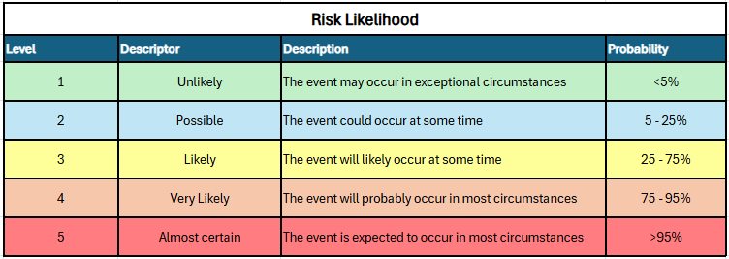
Risk Management Notes: • Please consider the risks to success of the new planting and the controls that will be put in place to mitigate these risks. Complete the table below. • Examples have been provided in red text • Insert additional rows as required
Reference | Risk Description | Risk Impact | Controls | Likelihood Probability (after controls implemented) (choose from drop down list provided)
1 | Insufficient tree watering | Tree death | • New trees included in existing watering program • Watering contractors engaged | Possible
2 | Insufficient tree maintenance | Slower than desirable growth/ undesirable shape | • New trees included in maintenance program • 'Friends of Group' oversight and assistance | Possible
3 | Vandalism | Tree damage/ death | • Use of barriers in high risk areas • Community engagement about the planting • Use of larger stock in high risk areas | Possible
4 | Animal damage | Tree damage/ death | • Use of tree guards in high risk areas • Planting a diverse range of species to reduce risk of losing tree clusters | Likely
5 | Brushcutter damage | Tree damage/ death due to ringbarking | • Use of tree sleeves in high risk areas | Unlikely
6
7
8
9
10

